UG Time - for understanding
A |  | No. |  | Start time |  | No. |  | Start time
 | MW | 1 | 8:00 - 10:00 AM | 8:00:00 | TH | 7 | 8:00 - 10:00 AM | 8:00:00
 |  | 2 | 10:00 - 12:00 AM | 10:00:00 |  | 8 | 10:00 - 12:00 AM | 10:00:00
 |  | 3 | 12:00 - 2:00 PM | 12:00:00 |  | 9 | 12:00 - 2:00 PM | 12:00:00
 |  | 4 | 2:00 - 4:00 PM | 14:00:00 |  | 10 | 2:00 - 4:00 PM | 14:00:00
 |  | 5 | 4:00 - 6:00 PM | 16:00:00 |  | 11 | 4:00 - 6:00 PM | 16:00:00
 |  | 6 | 6:00 - 8:00 PM | 16:00:00 |  | 12 | 6:00 - 8:00 PM | 16:00:00

B | M | 13 | 8:00 - 12:00 AM | 8:00:00 | T | 19 | 8:00 - 12:00 AM | 8:00:00 | F | 25 | 8:00 - 12:00 AM | 8:00:00
 |  | 14 | 2:00 - 6:00 PM | 14:00:00 |  | 20 | 2:00 - 6:00 PM | 14:00:00 |  | 26 | 2:00 - 6:00 PM | 14:00:00
 |  | 15 | 6:00 - 10:00 PM | 18:00:00 |  | 21 | 6:00 - 10:00 PM | 18:00:00
 | W | 16 | 8:00 - 12:00 AM | 8:00:00 | H | 22 | 8:00 - 12:00 AM | 8:00:00
 |  | 17 | 2:00 - 6:00 PM | 14:00:00 |  | 23 | 2:00 - 6:00 PM | 14:00:00
 |  | 18 | 6:00 - 10:00 PM | 18:00:00 |  | 24 | 6:00 - 10:00 PM | 18:00:00

C | M | 27 | 8:00 - 10:00 AM | 8:00:00 | T | 39 | 8:00 - 10:00 AM | 8:00:00 | F | 51 | 8:00 - 10:00 AM | 8:00:00
 |  | 28 | 10:00 - 12:00 AM | 10:00:00 |  | 40 | 10:00 - 12:00 AM | 10:00:00 |  | 52 | 10:00 - 12:00 AM | 10:00:00
 |  | 29 | 12:00 - 2:00 PM | 12:00:00 |  | 41 | 12:00 - 2:00 PM | 12:00:00 |  | 53 | 12:00 - 2:00 PM | 12:00:00
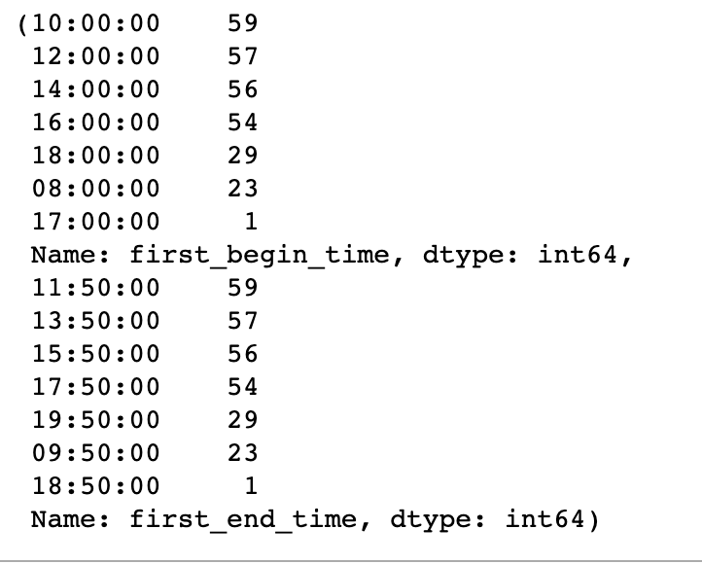
 |  | 30 | 2:00 - 4:00 PM | 14:00:00 |  | 42 | 2:00 - 4:00 PM | 14:00:00 |  | 54 | 2:00 - 4:00 PM | 14:00:00
 |  | 31 | 4:00 - 6:00 PM | 16:00:00 |  | 43 | 4:00 - 6:00 PM | 16:00:00 |  | 55 | 4:00 - 6:00 PM | 16:00:00
 |  | 32 | 6:00 - 8:00 PM | 18:00:00 |  | 44 | 6:00 - 8:00 PM | 18:00:00
 | W | 33 | 8:00 - 10:00 AM | 8:00:00 | H | 45 | 8:00 - 10:00 AM | 8:00:00
 |  | 34 | 10:00 - 12:00 AM | 10:00:00 |  | 46 | 10:00 - 12:00 AM | 10:00:00
 |  | 35 | 12:00 - 2:00 PM | 12:00:00 |  | 47 | 12:00 - 2:00 PM | 12:00:00
 |  | 36 | 2:00 - 4:00 PM | 14:00:00 |  | 48 | 2:00 - 4:00 PM | 14:00:00
 |  | 37 | 4:00 - 6:00 PM | 16:00:00 |  | 49 | 4:00 - 6:00 PM | 16:00:00
 |  | 38 | 6:00 - 8:00 PM | 18:00:00 |  | 50 | 6:00 - 8:00 PM | 18:00:00

D |  | No. |  | Start time |  | No. |  | Start time
 | MW | 56 | 8:00 - 10:00 AM | 8:00:00 | TH | 62 | 8:00 - 10:00 AM | 8:00:00
 |  | 57 | 10:00 - 12:00 AM | 10:00:00 |  | 63 | 10:00 - 12:00 AM | 10:00:00
 |  | 58 | 12:00 - 2:00 PM | 12:00:00 |  | 64 | 12:00 - 2:00 PM | 12:00:00
 |  | 59 | 2:00 - 4:00 PM | 14:00:00 |  | 65 | 2:00 - 4:00 PM | 14:00:00
 |  | 60 | 4:00 - 6:00 PM | 16:00:00 |  | 66 | 4:00 - 6:00 PM | 16:00:00
 |  | 61 | 6:00 - 8:00 PM | 16:00:00 |  | 67 | 6:00 - 8:00 PM | 16:00:00

E |  | No. |  | Start time |  | No. |  | Start time
 | MW | 68 | 8:00 - 10:00 AM | 8:00:00 | TH | 74 | 8:00 - 10:00 AM | 8:00:00
 |  | 69 | 10:00 - 12:00 AM | 10:00:00 |  | 75 | 10:00 - 12:00 AM | 10:00:00
 |  | 70 | 12:00 - 2:00 PM | 12:00:00 |  | 76 | 12:00 - 2:00 PM | 12:00:00
 |  | 71 | 2:00 - 4:00 PM | 14:00:00 |  | 77 | 2:00 - 4:00 PM | 14:00:00
 |  | 72 | 4:00 - 6:00 PM | 16:00:00 |  | 78 | 4:00 - 6:00 PM | 16:00:00
 |  | 73 | 6:00 - 8:00 PM | 16:00:00 |  | 79 | 6:00 - 8:00 PM | 16:00:00

F | M | 80 | 8:00 - 12:00 AM | 8:00:00 | T | 86 | 8:00 - 12:00 AM | 8:00:00 | F | 92 | 8:00 - 12:00 AM | 8:00:00
 |  | 81 | 2:00 - 6:00 PM | 14:00:00 |  | 87 | 2:00 - 6:00 PM | 14:00:00 |  | 93 | 2:00 - 6:00 PM | 14:00:00
 |  | 82 | 6:00 - 10:00 PM | 18:00:00 |  | 88 | 6:00 - 10:00 PM | 18:00:00
 | W | 83 | 8:00 - 12:00 AM | 8:00:00 | H | 89 | 8:00 - 12:00 AM | 8:00:00
 |  | 84 | 2:00 - 6:00 PM | 14:00:00 |  | 90 | 2:00 - 6:00 PM | 14:00:00
 |  | 85 | 6:00 - 10:00 PM | 18:00:00 |  | 91 | 6:00 - 10:00 PM | 18:00:00

G | M | 94 | 8:00 - 12:00 AM | 8:00:00 | T | 100 | 8:00 - 12:00 AM | 8:00:00 | F | 106 | 8:00 - 12:00 AM | 8:00:00
 |  | 95 | 2:00 - 6:00 PM | 14:00:00 |  | 101 | 2:00 - 6:00 PM | 14:00:00 |  | 107 | 2:00 - 6:00 PM | 14:00:00
 |  | 96 | 6:00 - 10:00 PM | 18:00:00 |  | 102 | 6:00 - 10:00 PM | 18:00:00
 | W | 97 | 8:00 - 12:00 AM | 8:00:00 | H | 103 | 8:00 - 12:00 AM | 8:00:00
 |  | 98 | 2:00 - 6:00 PM | 14:00:00 |  | 104 | 2:00 - 6:00 PM | 14:00:00
 |  | 99 | 6:00 - 10:00 PM | 18:00:00 |  | 105 | 6:00 - 10:00 PM | 18:00:00

